Testing Chart
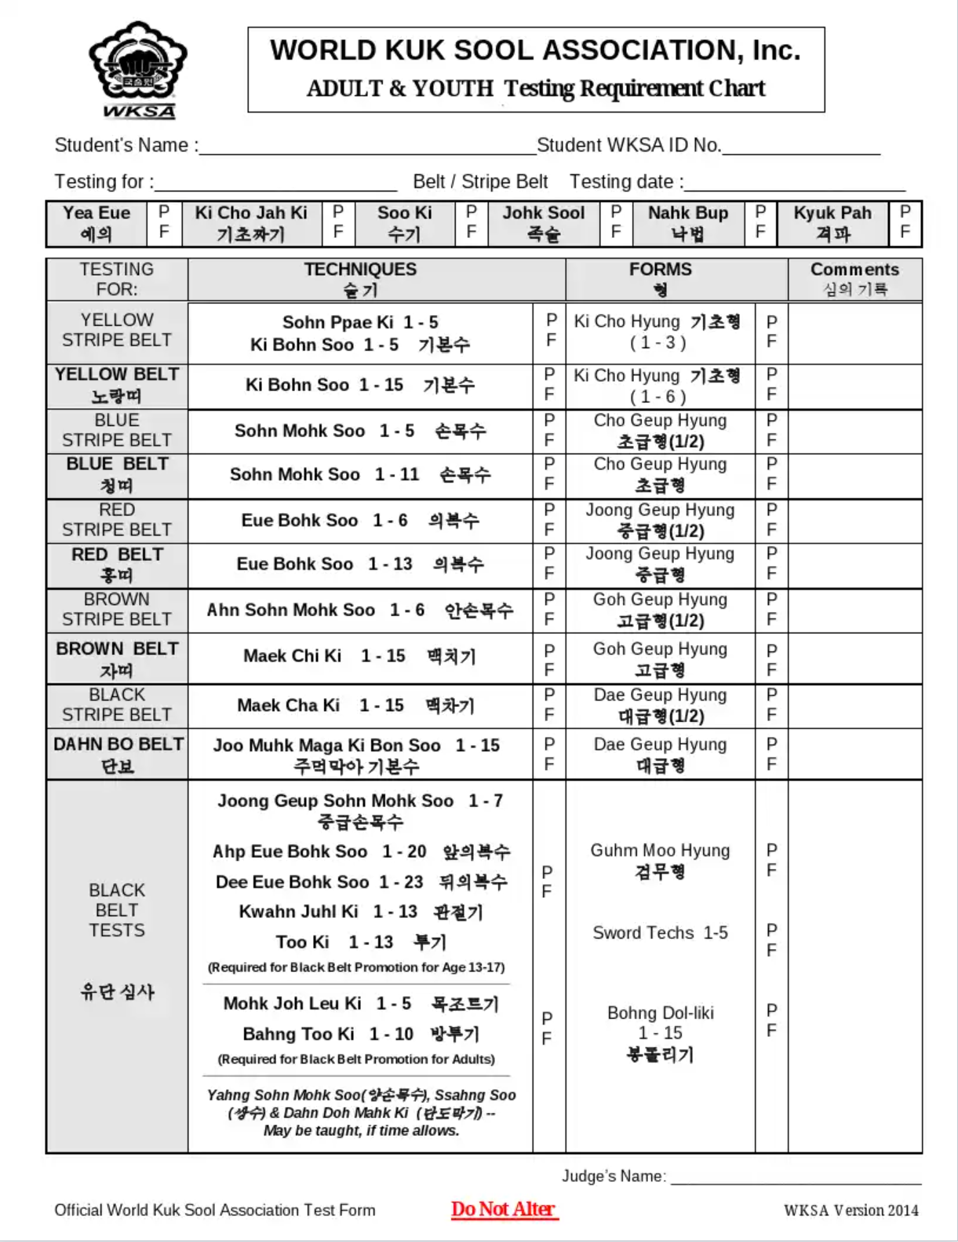
 | Belt | Interval | Period | Test Date
Huin ddi | Yellow Stripe | 0 | 0 | 19-Oct-19
Huin ddi | Yellow Belt | 90 | 1 | 17-Jan-20
Norang ddi | Blue Stripe | 90 | 2 | 16-Apr-20
Norang ddi | Blue Belt | 90 | 3 | 15-Jul-20
Cheong ddi | Red Stripe | 90 | 4 | 13-Oct-20
Cheong ddi | Red Belt | 90 | 5 | 11-Jan-21
Hong ddi | Brown Stripe | 90 | 6 | 11-Apr-21
Hong ddi | Brown Belt | 90 | 7 | 10-Jul-21
Ja ddi | 1 Black Stripe | 90 | 8 | 8-Oct-21
Ja ddi | 2 Black Stripes | 90 | 9 | 6-Jan-22
Dahnbo Nim | 3 Black Stripes | 90 | 10 | 6-Apr-22
Dahnbo Nim | 4 Black Stripes | 90 | 11 | 5-Jul-22
Dahnbo Nim | 5 Black Stripes | 90 | 12 | 3-Oct-22
Dahnbo Nim | 6 Black Stripes | 90 | 13 | 1-Jan-23
Dahnbo Nim | 7 Black Stripes | 90 | 14 | 1-Apr-23
Dahnbo Nim | 8 Black Stripes | 90 | 15 | 30-Jun-23
Jyokyo Nim 1st Dahn | Jyokyo Nim 1st Dahn | 90 | 15 | 28-Sep-23

